Chart Analysis
Sum of Sale Product Count | Sum of Available Stock | Sum of Total Sales | Sum of Total Stock |  |  |  |  | Sum of Sale Product Count | Sum of Available Stock | Sum of Total Sales | Sum of Total Stock
171678 | 1117785 | $204,904,365.73 | 1289463 |  |  |  |  | 171678 | 1117785 | $204,904,365.73 | 1289463

Top 3 Brand Based on Sales |  |  | Dell VS Others |  |  | HP VS Others |  |  |  | ROKC VS Others
Row Labels | Sum of Sale Product Count |  | Brands | Product Count | Sale Percentage | Brands | Product Count | Sale Percentage |  | Brands | Product Count | Sale Percentage
DELL | 66210 |  | Dell | 66210 | 53.74% | HP | 32079 | 26.04% |  | ROKC | 24925 | 20.23%
HP | 32079 |  | Other | 57004 | 46.26% | Other | 91135 | 73.96% |  | Other | 98289 | 79.77%
ROKC | 24925
Grand Total | 123214

Row Labels | Sum of Available Stock |  | Ram Category | Available Stock | Available Stock Percentage
16 GB | 335887 |  | 16 GB | 335887 | 38.33%
32 GB | 260706 |  | 32 GB | 260706 | 29.75%
8 GB | 211267 |  | 8 GB | 211267 | 24.11%
4 GB | 59977 |  | 4 GB | 59977 | 6.85%
12 GB | 8376 |  | 12 GB | 8376 | 0.96%
Grand Total | 876213 |  | Grand Total | 876213

 | Sum of Total Stock | Sum of Available Stock
 | 1289463 | 1117785

Total Sales- APPLE
 |  |  | APPLE Sales
brand | Apple |  | Model | Sum of Total Sales
 |  |  | 2022 Apple MacBook Air M2, 16GB RAM, 256GB Storage - Space Gray (Z15S000CT) | $25,959.56
Row Labels | Sum of Total Sales |  | 2022 Apple MacBook Air M2, 16GB RAM, 512GB Storage - Midnight (Z160000B1) | $8,820.00
2022 Apple MacBook Air M2, 16GB RAM, 256GB Storage - Space Gray (Z15S000CT) | $25,959.56 |  | MacBook | $40,999.59
2022 Apple MacBook Air M2, 16GB RAM, 512GB Storage - Midnight (Z160000B1) | $8,820.00 |  | MacBook Air | $334,999.21
MacBook | $40,999.59 |  | MacBook Air M2 | $4,679.88
MacBook Air | $334,999.21 |  | MacBook Pro | $378,398.51
MacBook Air M2 | $4,679.88 |  | MacBook Pro 13-inch | $8,399.72
MacBook Pro | $378,398.51 |  | MacBook Pro 15-inch | $6,629.83
MacBook Pro 13-inch | $8,399.72 |  | (blank) | $496,251.15
MacBook Pro 15-inch | $6,629.83 |  | Grand Total | $1,305,137.45
(blank) | $496,251.15
Grand Total | $1,305,137.45

Summary
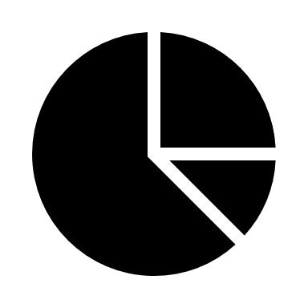
CHART ANALYSIS
DATA ANALYSIS
SOURCE DATA
AMAZON LAPTOP SALE DASHBOARD
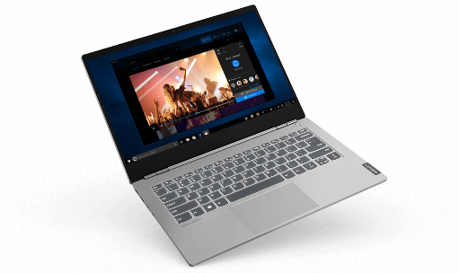

Total Sales
$20,49,04,365.73
Total Stock
1289463
Available Stock
1117785

Top 3 Brand Analysis based on Sales Product Count


 | Sale Percentage
Dell | 53.74%
Other | 46.26%
 | Sale Percentage
HP | 26.04%
Other | 73.96%
 | Sale Percentage
ROKC | 20.23%
Other | 79.77%


Total Stock And Available Stock Based on RAM Category

 | Available Stock | Available Stock Percentage
16 GB | 335887 | 38.33%
32 GB | 260706 | 29.75%
8 GB | 211267 | 24.11%
4 GB | 59977 | 6.85%
12 GB | 8376 | 0.96%
 | Sum of Total Stock | Sum of Available Stock
Total | 1289463 | 1117785

Total Sales By Apple

 | Sum of Total Sales
2022 Apple MacBook Air M2, 16GB RAM, 256GB Storage - Space Gray (Z15S000CT) | $25,959.56
2022 Apple MacBook Air M2, 16GB RAM, 512GB Storage - Midnight (Z160000B1) | $8,820.00
MacBook | $40,999.59
MacBook Air | $334,999.21
MacBook Air M2 | $4,679.88
MacBook Pro | $378,398.51
MacBook Pro 13-inch | $8,399.72
MacBook Pro 15-inch | $6,629.83

